Dashboard - 1
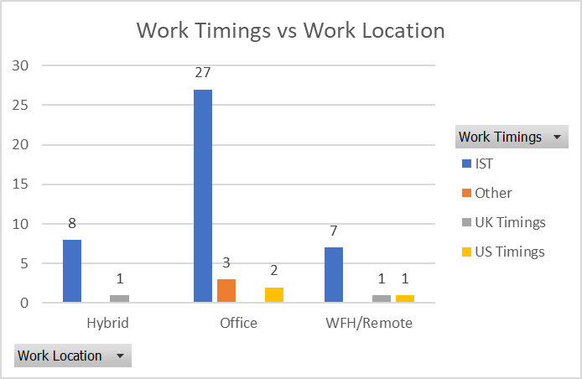
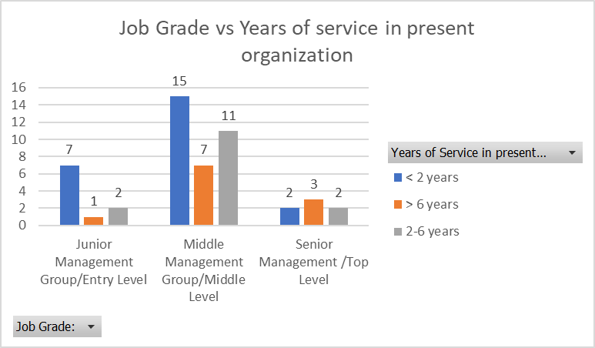
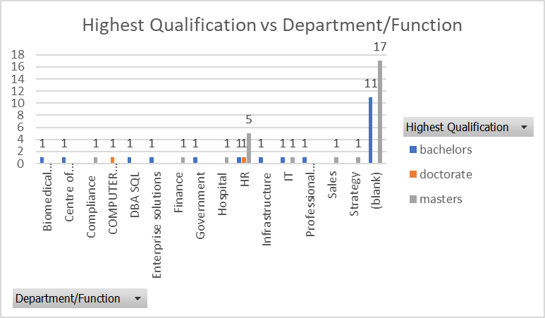

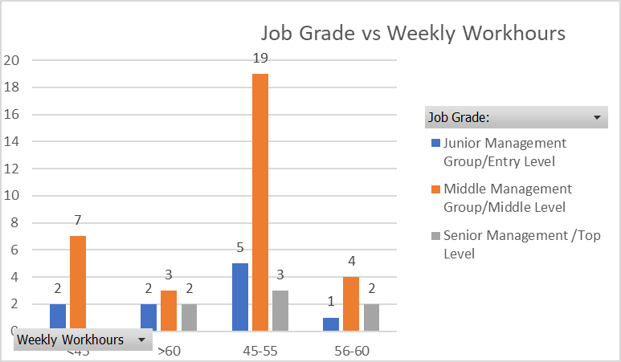
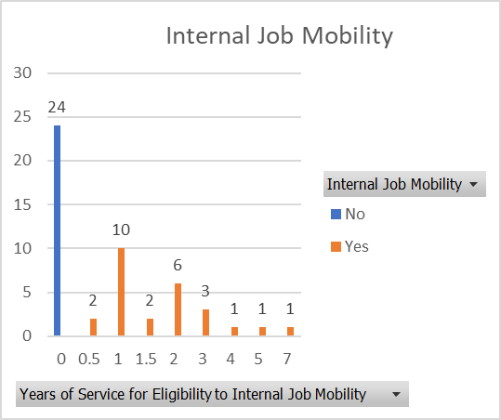
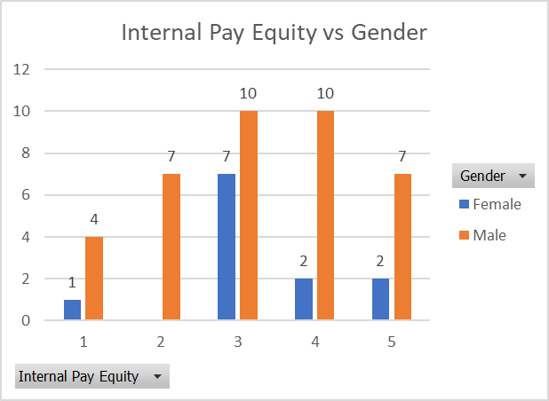

Dashboard - 2
Potential Voluntary Attrition vs Employee Engagement Index
 | Maybe | No | Yes
1 | 5 | 2 | 7
2 | 4 | 2
3 | 5 | 6
4 | 6 | 6 | 1
5 | 2 | 4
potential voluntary attrition vs satisfaction index - health and wellness
 | Maybe | No | Yes
1 | 1 | 2 | 4
2 | 3 | 1 | 1
3 | 7 | 8 | 2
4 | 5 | 5 | 1
5 | 6 | 4
potential voluntary attrition vs internal job mobility
 | Maybe | No | Yes
0 | 12 | 9 | 3
0.5 |  | 2
1 | 4 | 6
1.5 | 1 | 1
2 | 1 | 2 | 3
3 | 2 |  | 1
4 | 1
5 |  |  | 1
7 | 1

potential voluntary attrition vs employee recognition index
 | Maybe | No | Yes
1 | 1 |  | 3
2 | 2 | 1 | 2
3 | 4 | 3 | 1
4 | 12 | 11 | 2
5 | 3 | 5
potential voluntary attrition vs work life index
 | Maybe | No | Yes
1 |  |  | 3
2 |  | 1 | 1
3 | 12 | 7 | 3
4 | 4 | 8
5 | 6 | 4 | 1
potential voluntary attrition vs work culture index
 | Maybe | No | Yes
1 | 1 | 1 | 2
2 |  |  | 2
3 | 4 | 2 | 2
4 | 9 | 4 | 2
5 | 8 | 13

Potential voluntary attrition vs cross functioning facility
 | Maybe | No | Yes
1 |  | 1 | 2
2 |  |  | 1
3 | 7 | 6 | 3
4 | 9 | 8 | 2
5 | 6 | 5
potential voluntary attrition vs job relocation policy
 | Maybe | No | Yes
1 | 2 | 4 | 2
2 | 3 | 1 | 1
3 | 9 | 3 | 2
4 | 5 | 9 | 1
5 | 3 | 3 | 2

potential voluntary attrition vs internal pay equity
 | Maybe | No | Yes
1 |  | 3 | 2
2 | 4 | 3
3 | 8 | 5 | 4
4 | 6 | 6
5 | 4 | 3 | 2
potential voluntary attrition vs compensation satisfaction index
 | Maybe | No | Yes
1 | 3 | 2 | 1
2 | 2 | 2 | 2
3 | 10 | 6 | 4
4 | 2 | 9
5 | 5 | 1 | 1

potential voluntary attrition vs training effectiveness
 | Maybe | No | Yes
1 | 1 |  | 3
2 | 3 | 1 | 2
3 | 1 | 7 | 1
4 | 12 | 4 | 1
5 | 5 | 8 | 1
potential voluntary attrition vs pip resignation mode
 | Maybe | No | Yes
1 | 3 | 8 | 3
2 | 4 | 1
3 | 6 | 5 | 2
4 | 3 | 5 | 1
5 | 6 | 1 | 2

potential voluntary attrition vs performance appraisal satisfaction
 | Maybe | No | Yes
1 |  | 1 | 4
2 | 2 | 1
3 | 9 | 3 | 2
4 | 5 | 9 | 2
5 | 6 | 6
potential voluntary attrition vs performance assessment parameters communication
 | Maybe | No | Yes
1 | 1 | 1 | 3
2 |  | 2 | 1
3 | 10 | 3 | 2
4 | 6 | 10 | 2
5 | 5 | 4

potential voluntary attrition vs promotion process satisfaction index
 | Maybe | No | Yes
1 | 1 | 2 | 3
2 | 1 | 2 | 1
3 | 8 | 5 | 3
4 | 7 | 6
5 | 5 | 5 | 1

Dashboard - 3
Compensation Satisfaction Index
 | Total
1 | 6
2 | 6
3 | 20
4 | 11
5 | 7
Work Life Balance Index
 | Total
1 | 3
2 | 2
3 | 22
4 | 12
5 | 11
Gender Ratio
 | Total
1 | 38
2 | 12

Health & Wellness Satisfaction
 | Total
1 | 7
2 | 5
3 | 17
4 | 11
5 | 10
Employee Engagement
 | Total
1 | 14
2 | 6
3 | 11
4 | 13
5 | 6

Potential Voluntary Attrition
 | Total
Maybe | 22
No | 20
Yes | 8
Employees working Hours Ratio
 | Total
<45 | 9
>60 | 7
45-55 | 27
56-60 | 7

Qualification
 | Total
bachelors | 20
doctorate | 2
masters | 28
Promotion process Satisfaction
 | Total
1 | 6
2 | 4
3 | 16
4 | 13
5 | 11

Dashboard - 4
Potential Voluntary Attrition Vs Weekly Workhour
 | Maybe | No | Yes
<45 | 1 | 6 | 2
>60 | 12 | 4 | 12
45-55 | 34 | 16 | 4
56-60 | 3 | 15 | 3
Potential Voluntary attrition Vs Weekly workhour
 | Weekly Workhour | Potential voluntary attrition
<45 | 9 | 8
45-55 | 27 | 20
56-60 | 7 | 22
>60 | 7
Potential voluntary attrition Vs Frequency of timing
 | Maybe | No | Yes
Annually | 12 | 4 | 4
Half Yearly | 12 | 3 | 3
Monthly | 3 | 6
Need Basis | 35 | 40 | 30
Quarterly | 10 | 8

Potential Voluntary Attrition Vs Work Location
 | 1 - Yes | 2 - No | 3 - Maybe
Hybrid | 3 | 15 | 9
Office | 5 | 10 | 17
WFH/Remote | 4 | 10 | 4
Potential Voluntary Attrition Vs Satisfaction Performance Appraisal
 | Maybe | No | Yes
1 |  | 1 | 4
2 | 4 | 2
3 | 27 | 9 | 6
4 | 20 | 36 | 8
5 | 30 | 30
Potential Voluntary Attrition Vs Sabbatical Leave
 | Maybe - 3 | No - 2 | Yes - 1
No | 10 | 10 | 10
Yes | 17 | 15 | 3

Potential Voluntary Attrition Vs Worklife balance
 | Maybe - 3 | No - 2 | Yes - 1
1 |  |  | 3
2 |  | 2 | 2
3 | 36 | 21 | 9
4 | 16 | 32
5 | 30 | 20 | 5

Pivot - 1
Count of Potential voluntary attrition | Column Labels
Row Labels | IST | Other | UK Timings | US Timings | Grand Total
Hybrid | 8 |  | 1 |  | 9
Office | 27 | 3 |  | 2 | 32
WFH/Remote | 7 |  | 1 | 1 | 9
Grand Total | 42 | 3 | 2 | 3 | 50
Work Timings vs Work Location
 | IST | Other | UK Timings | US Timings
Hybrid | 8 |  | 1
Office | 27 | 3 |  | 2
WFH/Remote | 7 |  | 1 | 1

Pivot - 2
Job Grade vs Years of service in present organization
Count of Potential voluntary attrition | Column Labels
Row Labels | < 2 years | > 6 years | 2-6 years | Grand Total
Junior Management Group/Entry Level | 7 | 1 | 2 | 10
Middle Management Group/Middle Level | 15 | 7 | 11 | 33
Senior Management /Top Level | 2 | 3 | 2 | 7
Grand Total | 24 | 11 | 15 | 50

Pivot - 3
Highest Qualification vs Department/Function
 | bachelors | doctorate | masters
Biomedical Engineering | 1
Centre of Excellence | 1
Compliance |  |  | 1
COMPUTER STUDIES |  | 1
DBA SQL | 1
Enterprise solutions | 1
Finance |  |  | 1
Government | 1
Hospital |  |  | 1
HR | 1 | 1 | 5
Infrastructure | 1
IT | 1 |  | 1
Professional Services | 1
Sales |  |  | 1
Strategy |  |  | 1
(blank) | 11 |  | 17
Count of Potential voluntary attrition | Column Labels
Row Labels | bachelors | doctorate | masters | Grand Total
Biomedical Engineering | 1 |  |  | 1
Centre of Excellence | 1 |  |  | 1
Compliance |  |  | 1 | 1
COMPUTER STUDIES |  | 1 |  | 1
DBA SQL | 1 |  |  | 1
Enterprise solutions | 1 |  |  | 1
Finance |  |  | 1 | 1
Government | 1 |  |  | 1
Hospital |  |  | 1 | 1
HR | 1 | 1 | 5 | 7
Infrastructure | 1 |  |  | 1
IT | 1 |  | 1 | 2
Professional Services | 1 |  |  | 1
Sales |  |  | 1 | 1
Strategy |  |  | 1 | 1
(blank) | 11 |  | 17 | 28
Grand Total | 20 | 2 | 28 | 50

Pivot -4
Count of Potential voluntary attrition | Column Labels
Row Labels | Junior Management Group/Entry Level | Middle Management Group/Middle Level | Senior Management /Top Level | Grand Total
< 2 years | 7 | 15 | 2 | 24
> 6 years | 1 | 7 | 3 | 11
2-6 years | 2 | 11 | 2 | 15
Grand Total | 10 | 33 | 7 | 50
Job Grade vs Weekly Workhours

Pivot - 5
Internal Job Mobility
 | No | Yes
0 | 24
0.5 |  | 2
1 |  | 10
1.5 |  | 2
2 |  | 6
3 |  | 3
4 |  | 1
5 |  | 1
7 |  | 1
Count of Potential voluntary attrition | Column Labels
Row Labels | No | Yes | Grand Total
0 | 24 |  | 24
0.5 |  | 2 | 2
1 |  | 10 | 10
1.5 |  | 2 | 2
2 |  | 6 | 6
3 |  | 3 | 3
4 |  | 1 | 1
5 |  | 1 | 1
7 |  | 1 | 1
Grand Total | 24 | 26 | 50

Pivot-6
Internal Pay Equity vs Gender
 | Female | Male
1 | 1 | 4
2 |  | 7
3 | 7 | 10
4 | 2 | 10
5 | 2 | 7
Count of Potential voluntary attrition | Column Labels
Row Labels | Female | Male | Grand Total
1 | 1 | 4 | 5
2 |  | 7 | 7
3 | 7 | 10 | 17
4 | 2 | 10 | 12
5 | 2 | 7 | 9
Grand Total | 12 | 38 | 50

Pivot 7
Count of Potential voluntary attrition | Column Labels
Row Labels | Maybe | No | Yes | Grand Total
1 | 5 | 2 | 7 | 14
2 | 4 | 2 |  | 6
3 | 5 | 6 |  | 11
4 | 6 | 6 | 1 | 13
Potential Voluntary Attrition vs Employee Engagement Index
 | Maybe | No | Yes
1 | 5 | 2 | 7
2 | 4 | 2
3 | 5 | 6
4 | 6 | 6 | 1
5 | 2 | 4
5 | 2 | 4 |  | 6
Grand Total | 22 | 20 | 8 | 50

Pivot 8
Count of Potential voluntary attrition | Column Labels
Row Labels | Maybe | No | Yes | Grand Total
1 | 1 |  | 3 | 4
2 | 2 | 1 | 2 | 5
3 | 4 | 3 | 1 | 8
4 | 12 | 11 | 2 | 25
5 | 3 | 5 |  | 8
Grand Total | 22 | 20 | 8 | 50

potential voluntary attrition vs employee recognition index
 | Maybe | No | Yes
1 | 1 |  | 3
2 | 2 | 1 | 2
3 | 4 | 3 | 1
4 | 12 | 11 | 2
5 | 3 | 5

Pivot 9
potential voluntary attrition vs satisfaction index - health and wellness
 | Maybe | No | Yes
1 | 1 | 2 | 4
2 | 3 | 1 | 1
3 | 7 | 8 | 2
4 | 5 | 5 | 1
5 | 6 | 4
Count of Potential voluntary attrition | Column Labels
Row Labels | Maybe | No | Yes | Grand Total
1 | 1 | 2 | 4 | 7
2 | 3 | 1 | 1 | 5
3 | 7 | 8 | 2 | 17
4 | 5 | 5 | 1 | 11
5 | 6 | 4 |  | 10
Grand Total | 22 | 20 | 8 | 50

Pivot 10
potential voluntary attrition vs internal job mobility
 | Maybe | No | Yes
0 | 12 | 9 | 3
0.5 |  | 2
1 | 4 | 6
1.5 | 1 | 1
2 | 1 | 2 | 3
3 | 2 |  | 1
4 | 1
5 |  |  | 1
7 | 1
Internal Job Mobility | (All)

Count of Potential voluntary attrition | Column Labels
Row Labels | Maybe | No | Yes | Grand Total
0 | 12 | 9 | 3 | 24
0.5 |  | 2 |  | 2
1 | 4 | 6 |  | 10
1.5 | 1 | 1 |  | 2
2 | 1 | 2 | 3 | 6
3 | 2 |  | 1 | 3
4 | 1 |  |  | 1
5 |  |  | 1 | 1
7 | 1 |  |  | 1
Grand Total | 22 | 20 | 8 | 50

Pivot 11
Weekly Workhours | (All)
potential voluntary attrition vs work life index
 | Maybe | No | Yes
1 |  |  | 3
2 |  | 1 | 1
3 | 12 | 7 | 3
4 | 4 | 8
5 | 6 | 4 | 1
Count of Potential voluntary attrition | Column Labels
Row Labels | Maybe | No | Yes | Grand Total
1 |  |  | 3 | 3
2 |  | 1 | 1 | 2
3 | 12 | 7 | 3 | 22
4 | 4 | 8 |  | 12
5 | 6 | 4 | 1 | 11
Grand Total | 22 | 20 | 8 | 50

Pivot 12
potential voluntary attrition vs work culture index
 | Maybe | No | Yes
1 | 1 | 1 | 2
2 |  |  | 2
3 | 4 | 2 | 2
4 | 9 | 4 | 2
5 | 8 | 13
Count of Potential voluntary attrition | Column Labels
Row Labels | Maybe | No | Yes | Grand Total
1 | 1 | 1 | 2 | 4
2 |  |  | 2 | 2
3 | 4 | 2 | 2 | 8
4 | 9 | 4 | 2 | 15
5 | 8 | 13 |  | 21
Grand Total | 22 | 20 | 8 | 50

Pivot 13
Potential voluntary attrition vs cross functioning facility
 | Maybe | No | Yes
1 |  | 1 | 2
2 |  |  | 1
3 | 7 | 6 | 3
4 | 9 | 8 | 2
5 | 6 | 5
Count of Potential voluntary attrition | Column Labels
Row Labels | Maybe | No | Yes | Grand Total
1 |  | 1 | 2 | 3
2 |  |  | 1 | 1
3 | 7 | 6 | 3 | 16
4 | 9 | 8 | 2 | 19
5 | 6 | 5 |  | 11
Grand Total | 22 | 20 | 8 | 50

Pivot 14
Count of Potential voluntary attrition | Column Labels
Row Labels | Maybe | No | Yes | Grand Total
1 | 2 | 4 | 2 | 8
2 | 3 | 1 | 1 | 5
potential voluntary attrition vs job relocation policy
3 | 9 | 3 | 2 | 14
4 | 5 | 9 | 1 | 15
5 | 3 | 3 | 2 | 8
Grand Total | 22 | 20 | 8 | 50

Pivot 15
potential voluntary attrition vs internal pay equity
 | Maybe | No | Yes
1 |  | 3 | 2
2 | 4 | 3
3 | 8 | 5 | 4
4 | 6 | 6
5 | 4 | 3 | 2
Count of Potential voluntary attrition | Column Labels
Row Labels | Maybe | No | Yes | Grand Total
1 |  | 3 | 2 | 5
2 | 4 | 3 |  | 7
3 | 8 | 5 | 4 | 17
4 | 6 | 6 |  | 12
5 | 4 | 3 | 2 | 9
Grand Total | 22 | 20 | 8 | 50

Pivot 16
potential voluntary attrition vs compensation satisfaction index
 | Maybe | No | Yes
1 | 3 | 2 | 1
2 | 2 | 2 | 2
3 | 10 | 6 | 4
4 | 2 | 9
5 | 5 | 1 | 1
Count of Potential voluntary attrition | Column Labels
Row Labels | Maybe | No | Yes | Grand Total
1 | 3 | 2 | 1 | 6
2 | 2 | 2 | 2 | 6
3 | 10 | 6 | 4 | 20
4 | 2 | 9 |  | 11
5 | 5 | 1 | 1 | 7
Grand Total | 22 | 20 | 8 | 50

Pivot 17
Frequency of Trainings | (All)

potential voluntary attrition vs training effectiveness
 | Maybe | No | Yes
1 | 1 |  | 3
2 | 3 | 1 | 2
3 | 1 | 7 | 1
4 | 12 | 4 | 1
5 | 5 | 8 | 1
Count of Potential voluntary attrition | Column Labels
Row Labels | Maybe | No | Yes | Grand Total
1 | 1 |  | 3 | 4
2 | 3 | 1 | 2 | 6
3 | 1 | 7 | 1 | 9
4 | 12 | 4 | 1 | 17
5 | 5 | 8 | 1 | 14
Grand Total | 22 | 20 | 8 | 50

Pivot 18
potential voluntary attrition vs pip resignation mode
 | Maybe | No | Yes
1 | 3 | 8 | 3
2 | 4 | 1
3 | 6 | 5 | 2
4 | 3 | 5 | 1
5 | 6 | 1 | 2
Count of Potential voluntary attrition | Column Labels
Row Labels | Maybe | No | Yes | Grand Total
1 | 3 | 8 | 3 | 14
2 | 4 | 1 |  | 5
3 | 6 | 5 | 2 | 13
4 | 3 | 5 | 1 | 9
5 | 6 | 1 | 2 | 9
Grand Total | 22 | 20 | 8 | 50

Pivot 19
potential voluntary attrition vs performance appraisal satisfaction
 | Maybe | No | Yes
1 |  | 1 | 4
2 | 2 | 1
3 | 9 | 3 | 2
4 | 5 | 9 | 2
5 | 6 | 6
Count of Potential voluntary attrition | Column Labels
Row Labels | Maybe | No | Yes | Grand Total
1 |  | 1 | 4 | 5
2 | 2 | 1 |  | 3
3 | 9 | 3 | 2 | 14
4 | 5 | 9 | 2 | 16
5 | 6 | 6 |  | 12
Grand Total | 22 | 20 | 8 | 50

Pivot 20
potential voluntary attrition vs performance assessment parameters communication
 | Maybe | No | Yes
1 | 1 | 1 | 3
2 |  | 2 | 1
3 | 10 | 3 | 2
4 | 6 | 10 | 2
5 | 5 | 4
Count of Potential voluntary attrition | Column Labels
Row Labels | Maybe | No | Yes | Grand Total
1 | 1 | 1 | 3 | 5
2 |  | 2 | 1 | 3
3 | 10 | 3 | 2 | 15
4 | 6 | 10 | 2 | 18
5 | 5 | 4 |  | 9
Grand Total | 22 | 20 | 8 | 50

Pivot 21
Service years at present level to be eligible for promotion | (All)
potential voluntary attrition vs promotion process satisfaction index
 | Maybe | No | Yes
1 | 1 | 2 | 3
2 | 1 | 2 | 1
3 | 8 | 5 | 3
4 | 7 | 6
5 | 5 | 5 | 1
Count of Potential voluntary attrition | Column Labels
Row Labels | Maybe | No | Yes | Grand Total
1 | 1 | 2 | 3 | 6
2 | 1 | 2 | 1 | 4
3 | 8 | 5 | 3 | 16
4 | 7 | 6 |  | 13
5 | 5 | 5 | 1 | 11
Grand Total | 22 | 20 | 8 | 50

Compensation Satisfaction Index
Compensation Satisfaction Index
Row Labels | Count of Satisfaction Index - Compensation
1 | 6
2 | 6
3 | 20
4 | 11
5 | 7
Grand Total | 50

Work Life Balance
Work Life Balance Index
Row Labels | Count of Work Life Balance Index
1 | 3
2 | 2
3 | 22
4 | 12
5 | 11
Grand Total | 50

Health & Wellness Satisfaction
Health & Wellness Satisfaction
Row Labels | Count of Satisfaction Index - Health and Wellness
1 | 7
2 | 5
3 | 17
4 | 11
5 | 10
Grand Total | 50

Employee Engagement
Employee Engagement
Row Labels | Count of Employee Engagement Index
1 | 14
2 | 6
3 | 11
4 | 13
5 | 6
Grand Total | 50

potential volutary Attrition
Potential Voluntary Attrition

Row Labels | Count of Potential voluntary attrition
Maybe | 22
No | 20
Yes | 8
Grand Total | 50

working hours
Employees working Hours Ratio

Row Labels | Count of Weekly Workhours
<45 | 9
>60 | 7
45-55 | 27
56-60 | 7
Grand Total | 50

Qualification
Qualification
Row Labels | Count of Highest Qualification
bachelors | 20
doctorate | 2
masters | 28
Grand Total | 50

Promotion process
Promotion process Satisfaction

Row Labels | Count of Satisfaction Index - Promotion Process
1 | 6
2 | 4
3 | 16
4 | 13
5 | 11
Grand Total | 50

Gender
Gender Ratio
Row Labels | Count of Gender
1 | 38
2 | 12
Grand Total | 50

weekly workhour dashboard graph
Potential Voluntary Attrition Vs Weekly Workhour
Sum of Coded - Weekly workhours | Column Labels
Row Labels | Maybe | No | Yes | Grand Total
<45 | 1 | 6 | 2 | 9
>60 | 12 | 4 | 12 | 28
45-55 | 34 | 16 | 4 | 54
56-60 | 3 | 15 | 3 | 21
Grand Total | 50 | 41 | 21 | 112

weekly workhour
Potential Voluntary attrition Vs Weekly workhour
Weekly Workhours | Coded - Weekly workhours | Potential voluntary attrition | Coded - Potential voluntary attrition
45-55 | 2 | Yes | 1
45-55 | 2 | No | 2
45-55 | 2 | No | 2
56-60 | 3 | No | 2
<45 | 1 | No | 2
>60 | 4 | Yes | 1
56-60 | 3 | Yes | 1 | <45 | 9 | 1
<45 | 1 | No | 2 | 45-55 | 27 | 2
<45 | 1 | No | 2 | 56-60 | 7 | 3
45-55 | 2 | No | 2 | >60 | 7 | 4
45-55 | 2 | Maybe | 3
45-55 | 2 | Maybe | 3
>60 | 4 | Yes | 1
45-55 | 2 | No | 2
<45 | 1 | No | 2 | Yes | 8 | 1
<45 | 1 | Yes | 1 | No | 20 | 2
45-55 | 2 | Maybe | 3 | Maybe | 22 | 3
56-60 | 3 | Maybe | 3
45-55 | 2 | Maybe | 3
<45 | 1 | No | 2
56-60 | 3 | No | 2
45-55 | 2 | Maybe | 3
>60 | 4 | Maybe | 3
45-55 | 2 | Maybe | 3
45-55 | 2 | No | 2
<45 | 1 | Yes | 1
45-55 | 2 | Maybe | 3
45-55 | 2 | Maybe | 3
45-55 | 2 | Maybe | 3
45-55 | 2 | Maybe | 3
56-60 | 3 | No | 2
56-60 | 3 | No | 2
45-55 | 2 | Maybe | 3
>60 | 4 | Yes | 1
<45 | 1 | No | 2
>60 | 4 | No | 2
45-55 | 2 | No | 2
45-55 | 2 | Maybe | 3
45-55 | 2 | Maybe | 3
56-60 | 3 | No | 2
45-55 | 2 | Maybe | 3
<45 | 1 | Maybe | 3
45-55 | 2 | Maybe | 3
45-55 | 2 | No | 2
45-55 | 2 | Maybe | 3
45-55 | 2 | Maybe | 3
>60 | 4 | Maybe | 3
>60 | 4 | Maybe | 3
45-55 | 2 | No | 2
45-55 | 2 | Yes | 1

work location dashboard
Potential Voluntary Attrition Vs Work Location
Sum of Coded - work location | Column Labels
 | 1 | 1 Total | 2 | 2 Total | 3 | 3 Total | Grand Total
Row Labels | Yes |  | No |  | Maybe
Hybrid | 3 | 3 | 15 | 15 | 9 | 9 | 27
Office | 5 | 5 | 10 | 10 | 17 | 17 | 32
WFH/Remote | 4 | 4 | 10 | 10 | 4 | 4 | 18
Grand Total | 12 | 12 | 35 | 35 | 30 | 30 | 77

dashboards new
Potential Voluntary Attrition Vs Work Location
 | Series1 | Series2 | Series3
Hybrid | 3 | 15 | 9
Office | 5 | 10 | 17
WFH/Remote | 4 | 10 | 4
Potential Voluntary attrition Vs Weekly workhour
 | Weekly Workhour | Potential voluntary attrition
<45 | 9 | 8
45-55 | 27 | 20
56-60 | 7 | 22
>60 | 7

Potential Voluntary Attrition Vs Worklife balance
 | Maybe - 3 | No - 2 | Yes - 1
1 | 0 | 0 | 3
2 | 0 | 2 | 2
3 | 36 | 21 | 9
4 | 16 | 32 | 0
5 | 30 | 20 | 5
Potential Voluntary Attrition Vs Sabbatical Leave
 | Maybe - 3 | No - 2 | Yes - 1
No | 10 | 10 | 10
Yes | 17 | 15 | 3

Potential voluntary attrition Vs Frequency of timing
 | Maybe | No | Yes
Annually | 12 | 4 | 4
Half Yearly | 12 | 3 | 3
Monthly | 3 | 6 | 0
Need Basis | 35 | 40 | 30
Quarterly | 10 | 8 | 0
Potential Voluntary Attrition Vs Satisfaction Performance Appraisal
 | Maybe | No | Yes
1 | 0 | 1 | 4
2 | 4 | 2 | 0
3 | 27 | 9 | 6
4 | 20 | 36 | 8
5 | 30 | 30 | 0

Potential Voluntary Attrition Vs Worklife balance
 | Maybe - 3 | No - 2 | Yes - 1
1 | 0 | 0 | 3
2 | 0 | 2 | 2
3 | 36 | 21 | 9
4 | 16 | 32 | 0
5 | 30 | 20 | 5

satisfaction perf app graph
Coded - Potential voluntary attrition | (All)

Potential Voluntary Attrition Vs Satisfaction Performance Appraisal
 | Maybe | No | Yes
1 |  | 1 | 4
2 | 4 | 2
3 | 27 | 9 | 6
4 | 20 | 36 | 8
5 | 30 | 30
Sum of Satisfaction Index - Performance Appraisal | Column Labels
Row Labels | Maybe | No | Yes | Grand Total
1 |  | 1 | 4 | 5
2 | 4 | 2 |  | 6
3 | 27 | 9 | 6 | 42
4 | 20 | 36 | 8 | 64
5 | 30 | 30 |  | 60
Grand Total | 81 | 78 | 18 | 177

frquency of timing graph
Coded - Potential voluntary attrition | (All)

Potential voluntary attrition Vs Frequency of timing
 | Maybe | No | Yes
Annually | 12 | 4 | 4
Half Yearly | 12 | 3 | 3
Monthly | 3 | 6
Need Basis | 35 | 40 | 30
Quarterly | 10 | 8
Sum of Coded - Frequency of Trainings | Column Labels
Row Labels | Maybe | No | Yes | Grand Total
Annually | 12 | 4 | 4 | 20
Half Yearly | 12 | 3 | 3 | 18
Monthly | 3 | 6 |  | 9
Need Basis | 35 | 40 | 30 | 105
Quarterly | 10 | 8 |  | 18
Grand Total | 72 | 61 | 37 | 170

sabatical leave graph
Potential Voluntary Attrition Vs Sabbatical Leave
Sum of Coded - Sabbatical leave | Column Labels
 | Maybe | Maybe Total | No | No Total | Yes | Yes Total | Grand Total
Row Labels | 3 |  | 2 |  | 1
No | 10 | 10 | 10 | 10 | 10 | 10 | 30
Yes | 17 | 17 | 15 | 15 | 3 | 3 | 35
Grand Total | 27 | 27 | 25 | 25 | 13 | 13 | 65

worklife balance graph
Potential Voluntary Attrition Vs Worklife balance
 | Maybe - 3 | No - 2 | Yes - 1
1 |  |  | 3
2 |  | 2 | 2
3 | 36 | 21 | 9
4 | 16 | 32
5 | 30 | 20 | 5
Sum of Work Life Balance Index | Column Labels
 | Maybe | Maybe Total | No | No Total | Yes | Yes Total | Grand Total
Row Labels | 3 |  | 2 |  | 1
1 |  |  |  |  | 3 | 3 | 3
2 |  |  | 2 | 2 | 2 | 2 | 4
3 | 36 | 36 | 21 | 21 | 9 | 9 | 66
4 | 16 | 16 | 32 | 32 |  |  | 48
5 | 30 | 30 | 20 | 20 | 5 | 5 | 55
Grand Total | 82 | 82 | 75 | 75 | 19 | 19 | 176

